Dashboard
PROFIT AND SALES DASHBOARD

Shipment Mode
 | Total
Delivery Truck | 275
Express Air | 240
Regular Air | 1437
Top 5 Profitable States
 | Total
California | 37421.96
Texas | 28078.85
New York | 27611.94
Ohio | 23410.84
Oregon | 17931.04
TOTAL PROFIT
0.22M

TOTAL SALES
1.92M

Top 3 Least Profitable Product
 | Total
5165 | -12548.95
Okidata Pacemark 4410N Wide Format Dot Matrix Printer | -10999.53
Polycom ViewStation™ ISDN Videoconferencing Unit | -27621.25
Top 10 Most Profitable Cities
 | Total
Washington | 11677.36
Thornton | 9300.34
New City | 9243.26
Harrison | 8839.23
Greenville | 8658.95
Los Angeles | 7865.84
Woodburn | 7495.06
Cincinnati | 7257.76
Bangor | 7139.13
Steubenville | 6621.00

Sheet1
Row Labels | Count of Shipping Cost | Row Labels | Sum of Profit | Row Labels | Sum of Profit | Row Labels | Sum of Profit
Regular Air | 1437 | California | 37422 | 5165 | -12549 | Washington | 11677
Delivery Truck | 275 | Texas | 28079 | Okidata Pacemark 4410N Wide Format Dot Matrix Printer | -11000 | Thornton | 9300
Express Air | 240 | New York | 27612 | Polycom ViewStation™ ISDN Videoconferencing Unit | -27621 | New City | 9243
Grand Total | 1952 | Ohio | 23411 | Grand Total | -51170 | Harrison | 8839
 |  | Oregon | 17931 |  |  | Greenville | 8659
 |  | Grand Total | 134455 |  |  | Los Angeles | 7866
 |  |  |  |  |  | Woodburn | 7495
 |  |  |  |  |  | Cincinnati | 7258
 |  |  |  |  |  | Bangor | 7139
 |  |  |  |  |  | Steubenville | 6621
 |  |  |  |  |  | Grand Total | 84098

Assignment
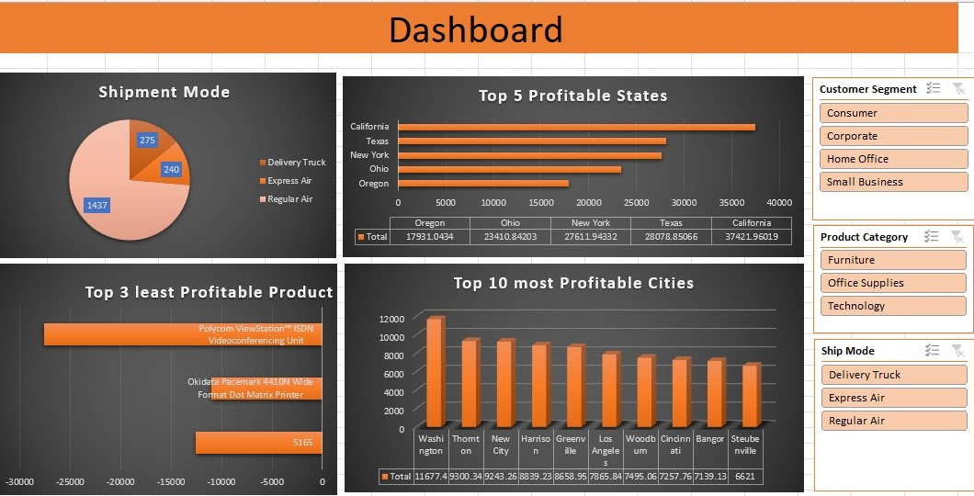
 | Import file ' Sales Data set ' with use of Power Query.
 | Sales Data set' contains 3 sheets, use Power Pivot to establish relationship, Query to Clean and upload the data into Data Model.
 | Create different Reports, Use maximum features offered in power pivot. Use Different types of appropriate Graphs/Charts
 | Use Slicers, Timeline, Formatting techniques to create a Dashboard.
 | Analyze the Dataset and Create a Dashboard.

 | Sample Reports:
 | Most Used Shipment Mode
 | Top 5 Profitable States
 | Top 3 least Profitable Product Sub- Categories
 | Top 10 most Profitable Cities

 | And any new insights you can gain out of the data

NOTE: | You can choose chart as per your preference, Below screenshot is added just for your reference

